Sheet1
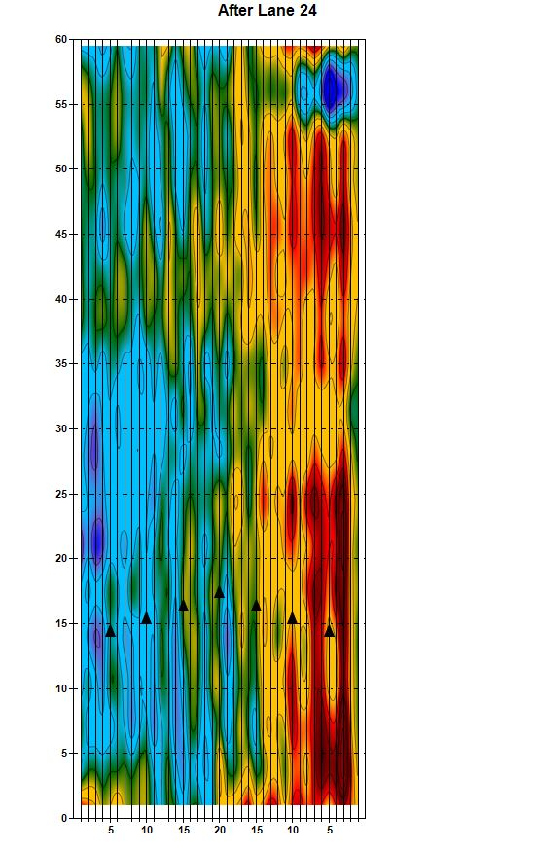
ABC Bowling Center

